Insulation Product List
BAHJAT ENTERPRISES
SNO. | Insulation Items List |  |  | Category | Brands
1 | ACRYLIC SHEET | Acrylic Sheet is a rigid, lightweight plastic sheet made primarily from PMMA (Polymethyl Methacrylate). It is commonly used as an alternative to glass, Type- Clear Acrylic Sheet, Transparent Acrylic Sheet, Opal / Milky Acrylic Sheet, Colored Acrylic Sheet, Frosted Acrylic Sheet, Mirror Acrylic Sheet, Textured Acrylic Sheet, UV-Resistant Acrylic Sheet, Cast Acrylic Sheet, Extruded Acrylic Sheet, Common Sizes -4 × 8 ft, 6 × 4 ft, Custom sizes available, Thickness-1 mm, 2 mm, 3 mm, 5 mm, 6 mm, 8 mm, 10 mm, 12 mm, 15 mm, 20 mm, Material-PMMA, Form-Rigid sheet, Surface-Glossy / matte / textured, Transparency-Clear / translucent / opaque, Color-Clear, white, black, multiple colors, Thickness-1–20+ mm, Cutting Laser, CNC, saw cutting, Applications: machine guards, equipment covers, instrument panels, signage, display panels, partitions, windows, electrical enclosures, and industrial fabrication, | 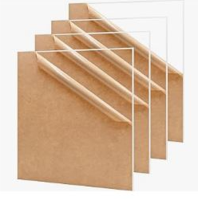
2 | ACRYLIC PIPE | An Acrylic Pipe (Acrylic Tube) is a rigid, transparent or colored tube made from PMMA (Polymethyl Methacrylate). It is lightweight, corrosion-resistant and allows visual inspection of the material flowing through it, Type - Clear Acrylic Pipe, Transparent Acrylic Tube, Colored Acrylic Pipe, Frosted Acrylic Tube, Cast Acrylic Tube, Extruded Acrylic Tube, Thick-Wall Acrylic Tube, Outside Diameter (OD)-6 mm – 300+ mm, Wall Thickness 1 mm – 20+ mm, Length-1 m, 2 m, 3 m, custom, Material-PMMA / Acrylic, Color-Clear, transparent, colored, Applications-Flow indicator / sight tube, Laboratory equipment, Water and liquid display systems, Chemical/process equipment, Machine guards, Display and fabrication work Lighting and decorative applications, | 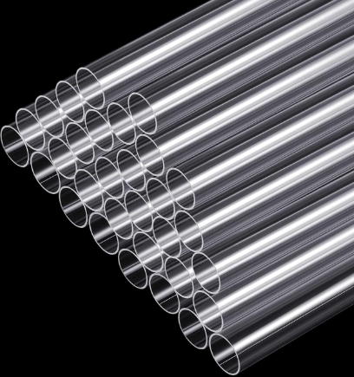
3 | ACRYLIC ROD | An Acrylic Rod is a solid cylindrical rod made from PMMA (Polymethyl Methacrylate), it is lightweight, rigid, transparent or colored, and easy to machine, Type-Clear Acrylic Rod, Transparent Acrylic Rod, Colored Acrylic Rod, Frosted Acrylic Rod, Cast Acrylic Rod Extruded Acrylic Rod, Material-PMMA / Acrylic, Shape-Round / Solid Diameter-3–100+ mm, Length-1 m, 2 m, 3 m, custom, Surface-Smooth / polished, Color-Clear, white, black, colored, Grade-General purpose / engineering grade, Applications - Machine components Display and signage, Laboratory equipment, Electrical insulation, Light guides, Decorative fabrication, Prototypes and model making Industrial guards and fixtures, | 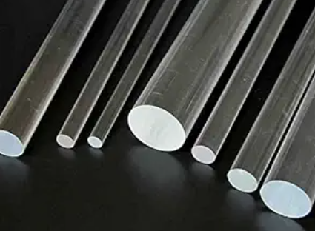
4 | BAKELITE SHEET | Bakelite Sheet is a rigid phenolic resin laminate known for good electrical insulation, heat resistance, mechanical strength, and dimensional stability, Type - Electrical Grade Bakelite Sheet, Industrial Grade Bakelite Sheet, Paper-Based Phenolic Sheet, Fabric-Based Phenolic Sheet, Cotton Cloth Bakelite Sheet, Canvas Phenolic Sheet, High-Temperature Phenolic Sheet, Material-Phenolic resin / Bakelite, Color-Black, brown, dark red, Thickness-0.5–100 mm+, Sheet Size-4 × 8 ft, 3 × 6 ft, Surface-Smooth / polished, Electrical Property-High insulation, Temperature Resistance-Grade-dependent, Applications- Electrical insulation, Switchgear components, Transformer components, Terminal boards, Electrical panels, Machine parts, Bushes and washers, Gaskets, Spacers, Industrial fabrication, | 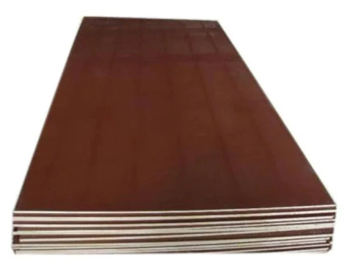
5 | BAKELITE TUBE | Bakelite Tube is a rigid hollow tube made from phenolic resin, commonly used where electrical insulation, mechanical strength, and heat resistance are required, Type- Electrical Grade Bakelite Tube, Phenolic Resin Tube, Paper-Based Phenolic Tube, Cotton/Fabric-Based Phenolic Tube, High-Temperature Phenolic Tube, Laminated Phenolic Tube, Material-Phenolic / Bakelite, Shape-Hollow round tube, Outside Diameter (OD)-5–200+ mm, Inside Diameter (ID)-As required, Wall Thickness-1–25+ mm, Length-1 m, 2 m, 3 m, custom, Color-Black / Brown, Surface-Smooth / machined Applications - Electrical insulation, Transformer components, Switchgear, Busbar insulation, Coil formers, Bushes and sleeves Terminal assemblies, High-voltage equipment, Mechanical spacers | 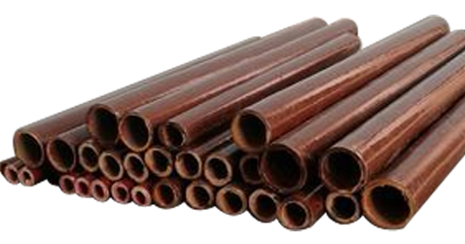
6 | FRP ROD | FRP Rod (Fiberglass Reinforced Plastic Rod) is a solid composite rod made from glass fibers embedded in a polymer resin. It is lightweight, strong, corrosion-resistant, and electrically insulating, Type -Solid FRP Rod, Fiberglass Rod, Epoxy FRP Rod, Pultruded FRP Rod, Electrical Insulation FRP Rod, High-Temperature FRP Rod, Threaded FRP Rod, Material-Fiberglass + Polyester/Epoxy Resin, Shape-Round / Solid, Diameter-3–100+ mm, Length-1 m, 2 m, 3 m, 6 m, custom, Surface-Smooth / Pultruded, Color-Natural, Green, Yellow, Black, Applications - Electrical insulation, Switchgear and transformer, components, Cable support, Busbar support, Structural supports, Chemical plants, Water-treatment equipment, Corrosive environments, Industrial fabrication | 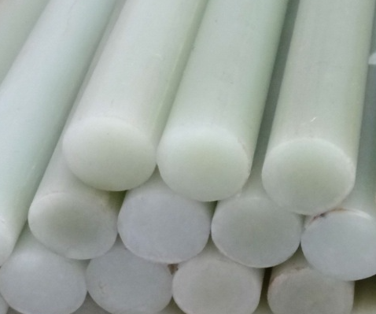
7 | CAST NYLON SHEET | Cast Nylon Sheet is an engineering plastic sheet produced by casting polymerized Nylon (typically Nylon 6 / PA6). It offers good mechanical strength, wear resistance, impact resistance, and low friction, Type - Cast Nylon Sheet, MC Nylon Sheet, Natural Nylon Sheet, Black Nylon Sheet, Oil-Filled Nylon Sheet, Molybdenum Disulfide (MoS₂) Filled Nylon, Glass-Filled Nylon Sheet, Food-Grade Nylon Sheet, Material-Cast Nylon / PA6, Size : 1000 MM x 1000 MM, 1000 MM x 2000 MM, 1220 MM x 3000 MM,Thickness-2–100+ mm, Sheet Size-Custom / standard sizes, Color-Natural, Black, Blue, Green, Surface-Smooth / machined, Density-Approx. 1.14 g/cm³, Temperature-Grade-dependent, Form-Flat sheet / plate, Applications - Gears, Bushes, Bearings, Wear plates, Rollers, Guide strips, Machine components, Sprockets, Seals and spacers, Conveyor components, | 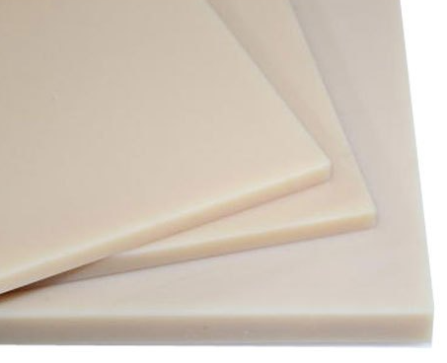
8 | CAST NYLON ROD | Cast Nylon Rod is a solid round engineering-plastic rod made from cast Nylon 6 (PA6). It is known for high strength, wear resistance, low friction, impact resistance, and good machinability, Type-Cast Nylon Rod, MC Nylon Rod, Natural Nylon Rod, Black Nylon Rod, Oil-Filled Nylon Rod, MoS₂-Filled Nylon Rod, Glass-Filled Nylon Rod, Food-Grade Nylon Rod, Material-Cast Nylon / PA6, Shape-Solid Round, Diameter-5–300+ mm, Length-500 mm, 1 m, 2 m, 3 m, Color-Natural, Black, Blue, Green, Surface-Smooth / machined, Grade-Standard / filled / food grade, Applications- Gears, Bushes, Bearings, Rollers, Wheels, Sprockets, Wear pads, Guide rollers, Machine components, Conveyor components, Spacers and thrust washers | 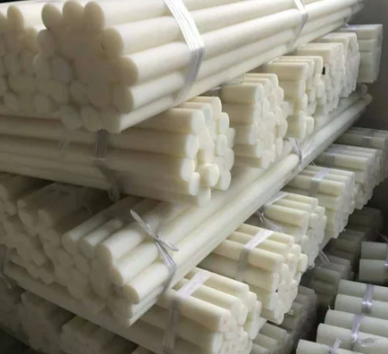
9 | HDPE SHEET | HDPE Sheet (High-Density Polyethylene Sheet) is a strong, lightweight thermoplastic sheet with excellent chemical resistance, moisture resistance, impact strength, and low water absorption, Type -Natural HDPE Sheet, Black HDPE Sheet, White HDPE Sheet, Virgin HDPE Sheet, Recycled HDPE Sheet, Food-Grade HDPE Sheet, UV-Stabilized HDPE Sheet, Anti-Static HDPE Sheet, PE100 HDPE Sheet, Material-HDPE / PE, Thickness-1–100+ mm, Sheet Size-4 × 8 ft, 6 × 12 ft, Size : 1000 MM x 1000 MM, 1000 MM x 2000 MM, 1220 MM x 2440 MM, Color-Natural, White, Black, Blue, Green, Density-Approx. 0.94–0.97 g/cm³, Surface-Smooth / textured, Form-Flat sheet / plate, Applications- Chemical tanks and liners, Water-treatment, equipment, Machine guards, Wear plates, Conveyor components Fabrication and welding, Chutes and hopper liners, Cutting boards Industrial liners, Corrosion-resistant components | 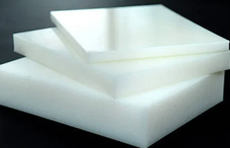
10 | PP SHEET | PP Sheet (Polypropylene Sheet) is a lightweight thermoplastic sheet with excellent chemical resistance, moisture resistance, corrosion resistance, and good mechanical strength, Type- Natural PP Sheet White PP Sheet, Black PP Sheet, Virgin PP Sheet, Recycled PP Sheet Homopolymer PP Sheet, Copolymer PP Sheet, Food-Grade PP Sheet UV-Stabilized PP Sheet, Glass-Filled PP Sheet, Material-Polypropylene (PP), Thickness-1–100 mm, Sheet Size-4 × 8 ft, 6 × 12 ft, Size : 1000 MM x 1000 MM, 1000 MM x 2000 MM, 1220 MM x 2440 MM, Color-Natural, White, Black, Grey, Density-Approx. 0.90–0.91 g/cm³, Surface-Smooth / textured, Temperature-Grade-dependent, Form-Flat sheet / plate, Applications- Chemical tanks, Acid storage tanks, Tank lining, Fume hoods, Scrubber components, Laboratory equipment, Water-treatment equipment, Chemical-resistant fabrication, Machine guards, Industrial liners | 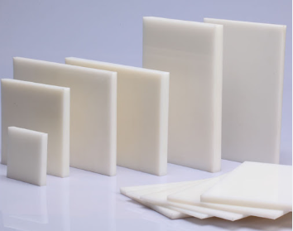
11 | FABRIC SHEET | Fabric Insulation Sheet is an insulating material made from fabric, fiberglass, cotton, aramid, or fabric-reinforced resin. It can provide electrical insulation, thermal insulation, or both, depending on the grade, Type- Fiberglass Insulation Sheet, Electrical Insulation Fabric Sheet, Phenolic Fabric Sheet, Canvas Phenolic Sheet, Silicone-Coated Fiberglass Sheet, PTFE-Coated Fiberglass Sheet, Aramid Fabric Sheet, Mica-Fabric Sheet,Material: Fiberglass / Cotton / Aramid / Phenolic, Size : 01 x 01 - 02 x 02, 02 x 04 - 02 x 08, Thk : 01 mm to 100 mm, Thickness: Commonly 0.5–10 mm; special grades can be thicker, Width: 100–2000 mm or custom, Length: Sheet or roll, Temperature Rating: Grade-dependent, Electrical Insulation: Grade-dependent, Surface: Woven / laminated / coated, Applications- Motors and generators, Transformers, Electrical panels, Busbars, Switchgear, Heating equipment, Furnaces and boilers, Gaskets and seals, Industrial thermal protection | 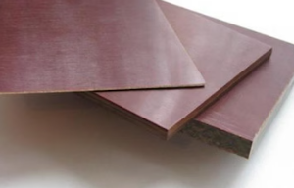
12 | FABRIC ROD | Fabric Rod generally refers to a fabric-reinforced composite rod, where layers of cotton/canvas fabric are impregnated with phenolic resin and compressed into a solid rod. It is also commonly called fabric phenolic rod, canvas bakelite rod, or laminated fabric rod, Type- Cotton Fabric Rod, Canvas Phenolic Rod, Fabric Bakelite Rod, Laminated Fabric Rod, Phenolic Resin Fabric Rod, Electrical Grade Fabric Rod, Material-Cotton/Canvas + Phenolic Resin, Shape-Solid Round, Diameter-5–150+ mm, Length-1 m, 2 m, custom, Color-Brown / Dark Brown / Black, Surface-Smooth / Machined, Grade-Electrical / Mechanical, Applications- Electrical insulation, Bushes and bearings, Gears and rollers, Spacers, Washers, Machine components, Switchgear, components, Transformer insulation, Mechanical supports | 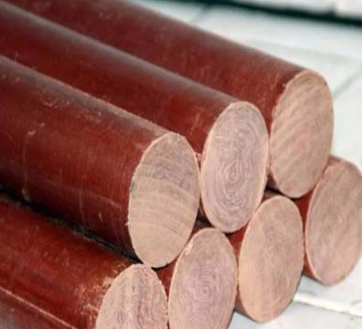
13 | DERLIN SHEET | Delrin Sheet is a trade name commonly associated with POM (Polyoxymethylene) acetal, an engineering plastic known for high stiffness, low friction, excellent dimensional stability, and good wear resistance, Delrin / POM Sheet, Acetal Homopolymer Sheet Acetal Copolymer Sheet, Natural / White Delrin Sheet, Black Delrin Sheet, Food-Grade Acetal Sheet, Glass-Filled POM Sheet, Material-POM / Acetal, Size : 1000 MM x 1000 MM, 1000 MM x 2000 MM, 04 Feet x 02 Feet, Thk : 10,12,16,20,25,30 MM, 40 & 50 MM, Sheet Size-Standard / custom, Color-Natural white, black, Surface-Smooth / machined, Density-Approx. 1.4 g/cm³, Form-Flat sheet / plate, Applications- Gears, Bushes, Bearings, Rollers, Guide rails, Wear strips, Sprockets, Precision machine components, Conveyor components, Electrical components, | 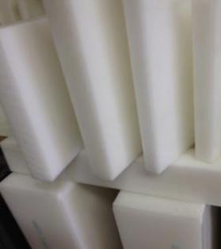
14 | HDPE ROD | HDPE Rod (High-Density Polyethylene Rod) is a solid thermoplastic rod with excellent chemical resistance, moisture resistance, impact strength, and low friction, Type -Natural HDPE Rod, Black HDPE Rod White HDPE Rod, Virgin HDPE Rod, Recycled HDPE Rod, Food-Grade HDPE Rod, UV-Stabilized HDPE Rod, PE100 Rod, Material-HDPE / PE Shape-Solid Round, Dia : 16 MM TO 200 MM, Size : 300 MM, 1000 MM, 1200 MM, 2000 MM, 3000 MM, Color-Natural, White, Black, Blue, Surface-Smooth / machined, Density--Approx. 0.94–0.97 g/cm³ Applications - Bushes, Rollers, Wear pads, Gears, Guide components Sprockets, Conveyor parts, Chemical equipment, Water-treatment equipment, Machine components, Fabricated plastic parts, | 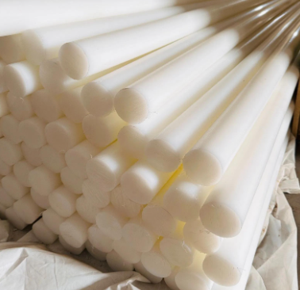
15 | DERLIN ROD | Delrin Rod is a solid engineering-plastic rod made from POM (Polyoxymethylene), also called acetal. Delrin is known for high stiffness, low friction, good wear resistance, and excellent dimensional stability, Type - Delrin / POM Rod, Acetal Homopolymer Rod, Acetal Copolymer Rod, Natural / White Delrin Rod, Black Delrin Rod, Food-Grade Acetal Rod, Glass-Filled POM Rod, Material-POM / Acetal, Shape-Solid Round, Size : Dia : 06,08,10,12,16 MM, 20,25,30,32,36 MM, 1000 MM Long, Dia : 40 MM to 200 MM, 3000 MM Long, Color-Natural White / Black, Surface-Smooth / Machined Density Approx. 1.4 g/cm³, Applications- Gears, Bushes, Bearings, Rollers, Sprockets, Guide rollers, Wear components, Precision machine parts, Conveyor components, Electrical/mechanical components | 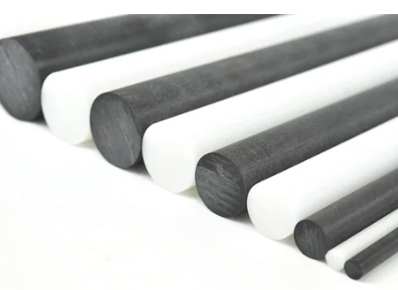
16 | PP ROD | PP Rod (Polypropylene Rod) is a solid round thermoplastic rod made from polypropylene. It is lightweight and has excellent chemical resistance, corrosion resistance, and moisture resistance, Type -Natural PP Rod, White PP Rod, Grey PP Rod, Black PP Rod, Virgin PP Rod, Homopolymer PP Rod, Copolymer PP Rod, Food-Grade PP Rod Glass-Filled PP Rod, Material-Polypropylene (PP), Shape-Solid Round, Dia : 16 MM TO 200 MM, Size : 300 MM Long, 1000 MM Long, 1200 MM Long, Color-Natural, White, Grey, Black, Surface-Smooth / Machined, Density-Approx. 0.90–0.91 g/cm³, Applications- Chemical equipment, Tank fabrication, Pump components, Bushes, Rollers, Machine parts, Laboratory equipment, Water-treatment equipment, Chemical-resistant components, Plastic welding/fabrication | 
17 | PEEK ROD | PEEK Rod (Polyether Ether Ketone Rod) is a high-performance engineering-plastic rod with excellent high-temperature resistance, chemical resistance, mechanical strength, wear resistance, and dimensional stability, Type -Virgin PEEK Rod, Natural PEEK Rod, Black PEEK Rod, Glass-Filled PEEK Rod, Carbon-Filled PEEK Rod, PTFE-Filled PEEK Rod, Bearing-Grade PEEK Rod, Medical-Grade PEEK Rod, Material-PEEK, Shape-Solid Round, Dia : 03 MM TO 260 MM, Size : 1000 MM Long, 3000 MM Long, Color-Natural / Beige, Black, Surface-Smooth / Machined, Temperature-High-temperature service, Density-Approx. 1.30–1.32 g/cm³, Applications- High-temperature machine components, Bearings and bushes, Gears, Seals, Pump components, Valve components, Electrical insulation, Chemical-processing equipment, Aerospace components, Oil & gas equipment, | 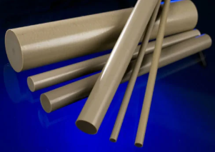
18 | UHMWPE | UHMWPE (Ultra-High-Molecular-Weight Polyethylene) is a high-performance polyethylene material known for very high wear resistance, low friction, excellent impact strength, and strong chemical resistance, Common Forms - UHMWPE Sheet, UHMWPE Rod UHMWPE Tube, UHMWPE Liner, UHMWPE Wear Plate, UHMWPE Profile, Material-UHMWPE / PE-UHMW, Appearance-Usually natural white, Friction-Very low, Wear Resistance-Excellent, Impact Resistance-Very high, Chemical Resistance-Excellent, Water Absorption-Very low, Machinability-Good, Temperature- Grade/application dependent, Applications-Conveyor wear strips Chute liners, Hopper liners, Guide rails, Bushes, Rollers, Gears Bearings, Sprockets, Material-handling equipment, Chemical equipment, Food-processing equipment | 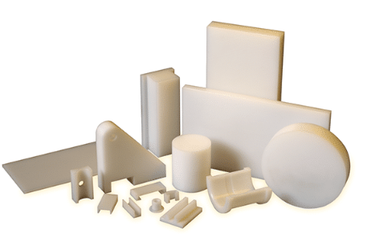
19 | SILICON SHEET | Silicone Sheet is a flexible silicone rubber sheet known for excellent temperature resistance, weather resistance, chemical resistance, and electrical insulation, Type - General-Purpose Silicone Sheet, Food-Grade Silicone Sheet, High-Temperature Silicone Sheet, Electrical-Grade Silicone Sheet, Flame-Retardant Silicone Sheet, FDA-Grade Silicone Sheet, Translucent Silicone Sheet, Red Silicone Rubber Sheet, White Silicone Rubber Sheet, Black Silicone Rubber Sheet, Sponge Silicone Sheet, Material-Silicone Rubber, Size : 100 - 500 MM, 1000 - 1500 MM, Thk : 0.5, 01,02 & 03 MM, Sheet / roll / custom, Hardness-Typically 20–80 Shore, Color-Red, White, Black, Transparent, Temperature-Grade-dependent, Applications- Gaskets and seals, Flange sealing, Electrical insulation, Heat-resistant covers, Oven and furnace applications, Food-processing equipment, Pharmaceutical equipment, Chemical equipment, Pipe and equipment lining, Vibration and cushioning pads, | 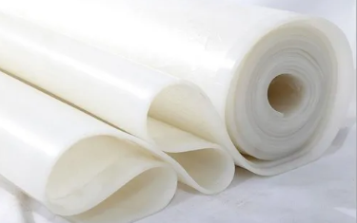
20 | PVC RIDGID SHEET | PVC Rigid Sheet is a hard, strong thermoplastic sheet made from unplasticized PVC (uPVC). It offers good chemical resistance, moisture resistance, electrical insulation, and easy fabrication, Type- White PVC Rigid Sheet, Grey PVC Sheet, Black PVC Sheet, Clear/Transparent PVC Sheet, Industrial Grade PVC Sheet, Food/Pharma Grade PVC Sheet, UV-Stabilized PVC Sheet, Fire-Retardant PVC Sheet, Thk : 01 to 30 MM , Size : 1000 MM x 2000 MM, 1220 MM x 2000 MM , 1220 MM x 2440 MM , Standard sheet-4 × 8 ft commonly available, Hardness-Rigid / hard, Surface-Smooth, Colors-White, grey, black, transparent, custom, Applications- Chemical tanks and vessels, Tank lining and fabrication, Ducting and ventilation, Electrical insulation, Machine guards, Laboratory equipment, Pipe and equipment fabrication, Chemical-processing equipment, Signboards and panels, Water-treatment equipment | 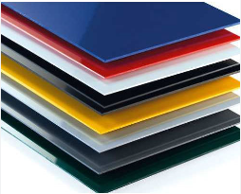
21 | UMHW ROD | UHMW Rod usually means UHMWPE Rod (Ultra-High-Molecular-Weight Polyethylene Rod). It is a solid engineering-plastic rod known for very high wear resistance, low friction, excellent impact strength, and good chemical resistance, Type- Natural / Virgin UHMWPE Rod, Black UHMWPE Rod, Food-Grade UHMWPE Rod, UV-Stabilized UHMWPE Rod, Reprocessed UHMWPE Rod, Conductive / Anti-static UHMWPE Rod, Dia : 08 MM to 250 MM, Length : 300, 500, 600 MM, 1000 MM, 1250 MM, Colour : White, Black, Green, Red, Yellow, Density-~0.93–0.95 g/cm³, Surface-Smooth / machined, Applications - Bushes and bearings, Rollers, Wear pads, Guide components, Conveyor components, Sprockets and gears, Chute and hopper components, Chemical-processing equipment, Food-processing machinery, Material-handling equipment, | 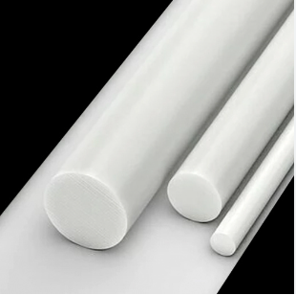
22 | HYLAM SHEET | Hylam Sheet is a high-pressure laminated thermosetting sheet, commonly based on phenolic resin reinforced with paper, cotton fabric, or other fibrous materials. It is widely used for electrical insulation and mechanical components, Type- Electrical Grade Hylam Sheet, Paper-Based Hylam, Cotton Fabric-Based Hylam, Canvas Hylam, Phenolic Laminate Sheet, Heat-Resistant Grade, High-Mechanical-Strength Grade, Thickness-0.5–100 mm, Sheet Size- 3 × 6 ft, 4 × 8 ft, 01 x 01 - 02 x 02, 02 x 04 - 02 x 08, Color-Brown, black, dark brown, Surface Smooth / polished, Material-Phenolic resin + paper/fabric reinforcement, Applications- Electrical insulation, Switchgear and control panels, Transformer components, Busbar supports, Insulating washers and spacers, Terminal boards, Bushes and bearings, Mechanical gears and rollers, Motor and generator components | 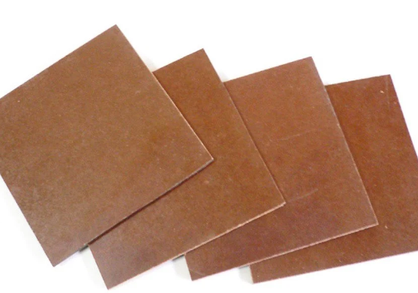
23 | POLYCARBONATE SHEET | Polycarbonate (PC) Sheet is a strong, lightweight engineering thermoplastic sheet with high impact resistance, good transparency, weather resistance, and dimensional stability, Type- Clear / Transparent Polycarbonate Sheet, Solid Polycarbonate Sheet Twin-Wall / Multi-Wall Sheet, Embossed / Textured Sheet, UV-Coated Polycarbonate Sheet, Flame-Retardant Grade, Machine / Engineering Grade, Colored / Opaque Sheet, Thickness-0.5–25 mm+, Standard size-4 × 8 ft commonly available, 1220 MM x 2440 MM, 2100 MM x 6000 MM, 2100 MM x 12000 MM, Colour : Clear / Blue/ Green/ Bronze / Grey/ White/ Black, custom, Surface Smooth, textured, UV-coated, Applications- Machine guards and safety covers, Electrical enclosures, Industrial partitions, Safety glazing, Roofing and skylights, Protective screens, Signboards and displays, Automotive and transportation components, Electrical and electronic equipment | 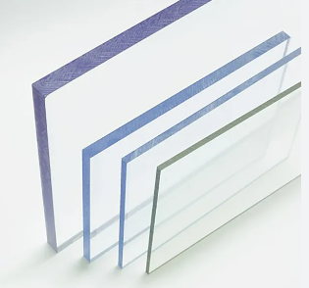
24 | POLYCARBONATE ROD | Polycarbonate (PC) Rod is a solid engineering-plastic rod known for high impact strength, toughness, dimensional stability, and good electrical insulation. Transparent grades provide excellent optical visibility, Type- Clear / Transparent Polycarbonate Rod, Natural / Translucent Rod, Black Polycarbonate Rod, Colored Rod, UV-Stabilized Grade, Flame-Retardant Grade, Machine/Engineering Grade, Diameter-: 10, 20, 30, 40, 50, MM, 60, 80, 100, 200 MM, Size : 1000 MM, 2000 MM, 3000 MM Long, Design : Solid Round Rod, Colour : Translucent, Clear, natural, black, colored, Surface-Smooth / machined, Density-~1.20 g/cm³, Applications - Machine components, Bushes and spacers, Rollers and guides, Electrical insulation parts, Transparent mechanical components, Laboratory equipment, Safety and protective components, Precision machined parts, | 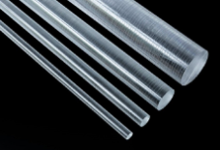
25 | PU SHEET | PU Sheet (Polyurethane Sheet) is a flexible or semi-rigid engineering material known for excellent abrasion resistance, high tear strength, impact resistance, and good resistance to oils and chemicals, Type - Polyurethane Elastomer Sheet, Flexible PU Sheet,Rigid PU Sheet, Abrasion-Resistant PU Sheet, Oil-Resistant PU Sheet, Food-Grade PU Sheet, Anti-Static PU Sheet, High-Hardness PU Sheet, Thickness : 0.5 MM TO 50MM, Size : 1000 MM x 1000 MM, 1200 MM x 1200 MM, 1500 MM x 1500 MM, 3000 MM X 3000 MM . Colour : Yellow, amber, red, green, black, transparent, Hardness- 60–95 Shore A, Surface-Smooth / textured, Applications - Gaskets and seals, Wear strips and wear pads, Rollers and wheels, Conveyor components, Scraper blades, Bushes and bearings, Chute and hopper lining, Vibration and impact pads, Hydraulic and pneumatic equipment, Material-handling machinery, | 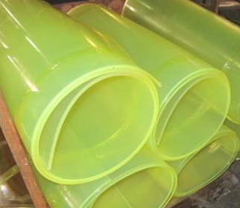
26 | PU ROD | PU Rod (Polyurethane Rod) is a solid polyurethane elastomer rod with high abrasion resistance, impact resistance, flexibility, and load-bearing capacity. It is commonly machined into bushes, rollers, seals, wheels, and wear components, Type- Standard PU Elastomer Rod, High-Hardness PU Rod, Soft/Flexible PU Rod, Abrasion-esistant PU Rod, Oil-Resistant PU Rod, Hydrolysis-Resistant PU Rod, Food-Grade PU Rod, Anti-Static PU Rod, Diameter-5–200 mm+, Length-1–3 m / custom, Hardness-60–95 Shore A, Color-Yellow, amber, red, green, black, natural, Surface-Smooth / machined, Applications - Bushes and bearings, Rollers and wheels, Guide rollers, Seals and gaskets, Wear pads, Scraper components, Coupling elements, Conveyor components, Hydraulic and pneumatic parts, Shock and vibration components, | 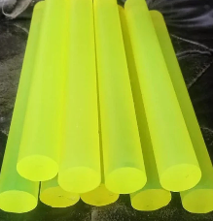
27 | GLASS EPOXY SHEET | Glass Epoxy Sheet is a rigid composite laminate made from woven glass-fiber reinforcement impregnated with epoxy resin. It provides excellent electrical insulation, mechanical strength, dimensional stability, and heat resistance, Type- FR-4 Glass Epoxy Sheet – flame-retardant electrical grade, G10 Glass Epoxy Sheet – high-strength electrical insulation, G11 Glass Epoxy Sheet – higher-temperature grade, Standard Glass Epoxy Laminate, Machining Grade Glass Epoxy High-Temperature Grade, Thickness-0.2–100 mm+, Sheet Size-3 × 6 ft, 4 × 8 ft, 1000 MM x 1000 MM, 1000 MM x 2000 MM, 1220 MM x 2440 MM, Color-Green, natural, yellow, black,Colour: Green, Yellow, G10, Natural, Surface-Smooth / polished, Reinforcement-Woven fiberglass, Resin-Epoxy, Applications- Electrical insulation, Switchgear and control panels, Transformer components, Busbar supports, Insulating washers and spacers, Motor and generator components, PCB and electronic components, Terminal boards, High-strength mechanical parts, CNC-machined insulating components, | 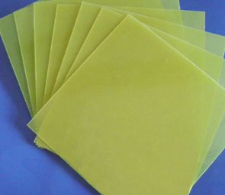
28 | EPOXY TUBE | Epoxy Tube generally refers to a fiberglass-reinforced epoxy resin tube (Glass Epoxy / FRP Epoxy Tube). It is a rigid hollow tube with excellent electrical insulation, mechanical strength, heat resistance, and dimensional stability, Type - G10 Epoxy Tube, G11 Epoxy , FR-4 Epoxy Tube, Glass Epoxy Tube, Fiberglass Epoxy Tube, High-Temperature Epoxy Tube, Outside Diameter (OD)-5–300 mm+, Inside Diameter (ID)-As required, Wall Thickness-1–30 mm+, Length-1–3 m /, Dia : 4 Inch, Length : 3 Mtr, Thk : 0.5 MM, 0.6 MM, custom, Color-Green, brown, natural, Surface-Smooth / machined Applications - Electrical insulation, Busbar insulation, Transformer components, Switchgear, Motor and generator insulation, Insulating sleeves, Spacers and supports, High-voltage equipment, Mechanical shafts and structural components, | 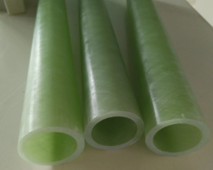
29 | PTFE TAPE | PTFE Coated Fiberglass Tape is a fiberglass fabric coated with PTFE (Teflon). It combines the high-temperature and chemical resistance of PTFE with the strength and dimensional stability of fiberglass, Type - PTFE Coated Fiberglass Tape Non-Adhesive, Self-Adhesive PTFE Fiberglass Tape, Silicone Adhesive PTFE Tape, High -Temperature PTFE Tape, PTFE Open Mesh Tape, Heavy-Duty PTFE Fiberglass Tape, Width-10–1000 mm, Thickness-0.08–1.0 mm, Roll Length-10–50 m, PTFE Content-Typically 50–70%+, Temperature-Typically up to ~260°C, Color-Brown, tan, black, Base-Fiberglass fabric, Coating PTFE, Applications - Heat sealing machines, Packaging machinery, Conveyor belts, Release surfaces, Food-processing equipment, Heat-resistant insulation, Electrical insulation Chemical-processing equipment, Non-stick surfaces, Sliding and guide surfaces | 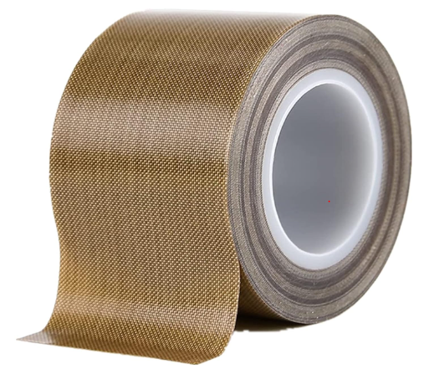
30 | CURTAIN HANGER | Curtain Hanger Strip is a strip/rail used to support and hang curtains, commonly made from PVC, aluminium, stainless steel, or plastic. It may include slots, hooks, carriers, or mounting holes for attaching curtain panels, Type- PVC Curtain Hanger Strip, Aluminium Curtain Hanger Strip, SS Curtain Hanger Strip, Flexible Curtain Hanger Strip Track-Type Hanger Strip, Hospital Curtain Hanger Strip, Industrial PVC Curtain Strip Hanger, Width-20–100 mm, Thickness-1–10 mm, Length- 0.9 M/ 1 M/1.5 M/2 M, Material-PVC, Aluminium, SS, Plastic, Color-White, transparent, grey, metal finish, Mounting-Ceiling, wall, track, Applications- PVC strip curtains, Industrial partition curtains, Cold-room curtains, Warehouse entrances, Hospital privacy curtains, Cleanroom curtains, Shower/bathroom curtains, Room partition systems, | 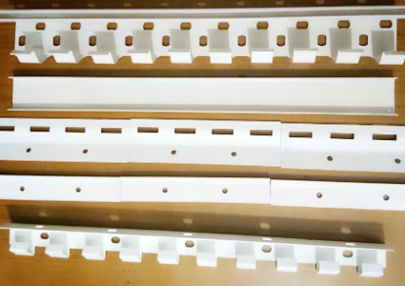
31 | PVC CURTAIN | PVC Curtain is a flexible curtain made from PVC (Polyvinyl Chloride), commonly supplied as individual strips or sheets. It is used to create a barrier while allowing easy movement of people, materials, or air, Type - Clear Transparent PVC Strip Curtain, Ribbed PVC Curtain, Anti-Static PVC Curtain, Cold-Temperature PVC Curtain, Welding/Flame-Resistant PVC Curtain, Opaque PVC Curtain, Colored PVC Curtain, Polar/Cooler Grade PVC Curtain, Size : 200 MM Wide, Thk : 01, 02, 03, 04, 05, 06 MM, Color- Clear, blue, yellow, green, opaque, Surface-Smooth / ribbed, Mounting-Hanger rail / strip hanger, Applications - Industrial entrances, Warehouses Cold rooms and freezers, Food-processing areas, Factories and workshops, Dust and insect control, HVAC/temperature separation, Cleanrooms, Loading bays, | 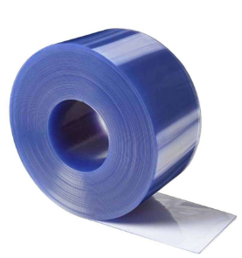
32 | PVC STRIP CURTAIN | PVC Strip Curtain is a flexible barrier made from PVC strips suspended vertically from a hanger rail/track. The strips overlap to provide separation while allowing people, vehicles, and materials to pass through, Type - Clear Transparent PVC Strip Curtain, Ribbed PVC Strip Curtain, Polar/Cooler Grade, Anti-Static PVC Strip Curtain, Anti-Insect PVC Strip Curtain, Opaque PVC Strip Curtain, Colored PVC Strip Curtain, Welding/Flame-Resistant Grade, Size : 200 MM Wide , Thk : 01,02,03,04,05,06 MM, Colour: Clear, blue, yellow, green, opaque, Length 2–6 m / custom, Overlap- 25–100%, Mounting-SS/ GI/ Aluminium hanger rail, Applications - Factory entrances Warehouses, Cold rooms and freezers, Food-processing plants, Loading bays, Dust and insect control, Temperature-controlled areas Cleanrooms, HVAC separation | 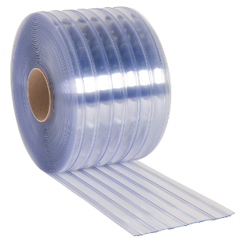
33 | PVC FLEXIABLE SHEET | PVC Flexible Sheet is a soft, bendable sheet made from plasticized PVC (Polyvinyl Chloride). It is available in transparent, colored, and specialty grades and is used for protective covers, curtains, flooring, gaskets, insulation, and industrial applications, Type - Transparent PVC Flexible Sheet, Clear PVC Film, Soft PVC Sheet, PVC Flooring Sheet, Anti-Static PVC Sheet, Oil-Resistant PVC Sheet, Chemical-Resistant PVC Sheet, Food-Grade PVC Sheet, UV-Resistant PVC Sheet, PVC Tarpaulin/Coated Sheet,Thickness: 01,02,03,04,05,06 MM, Width-500–2000 mm, Length-10–50 m roll / custom, Hardness-Soft / flexible, Color-Clear, blue, green, black, yellow, custom, Surface-Smooth / embossed, Applications - Industrial curtains, Machine and equipment covers, Protective sheets, Packaging, Floor and wall protection, Gaskets and sealing components, Electrical insulation, Dust and splash barriers, Chemical and laboratory applications, Flexible partitions, | 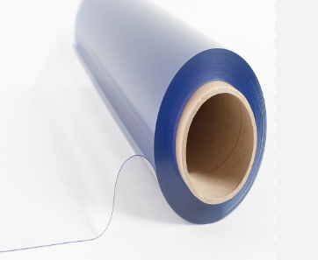
34 | PTFE COMPONENT | PTFE Components are precision or fabricated parts made from PTFE (Polytetrafluoroethylene), commonly known as Teflon. PTFE is valued for its very low friction, excellent chemical resistance, non-stick properties, and high-temperature resistance, Common PTFE Components - PTFE Bush / Bushing, PTFE Bearing, PTFE Seal / Sealing Ring, PTFE Gasket, PTFE Washer, PTFE O-Ring, PTFE Valve Seat, PTFE Valve Liner, PTFE Packing, PTFE Spacer, PTFE Guide Ring, PTFE Insulating Component, PTFE Tube / Sleeve, PTFE Rod-Machined Components, Common Grade - Virgin PTFE, Glass-Filled PTFE, Carbon-Filled PTFE, Graphite-Filled PTFE, Bronze-Filled PTFE, PTFE + MoS₂, FDA/Food Grade, Temperature capability: approximately −200 to +260°C depending on grade/application, Excellent chemical resistance, Very low coefficient of friction, Excellent electrical insulation, Non-stick surface, Low moisture absorption, Applications - Pumps and valves, Chemical-processing equipment, Hydraulic and pneumatic systems, Instrumentation Pharmaceutical equipment, Food-processing machinery, Electrical equipment, Sealing systems, Bearings and sliding components | 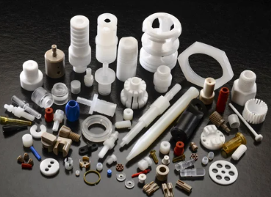
35 | PTFE TUBE | PTFE Tube (Teflon Tube) is a tube made from Polytetrafluoroethylene (PTFE), It is widely used where chemical resistance, low friction, high-temperature resistance, and electrical insulation are required, Type - Virgin PTFE Tube, ransparent/Natural PTFE Tube, Glass-Filled PTFE Tube, Carbon-Filled PTFE Tube, Conductive/Anti-Static PTFE Tube, Flexible PTFE Tube, Corrugated PTFE Tube, Food/Pharma Grade PTFE Tube, High-Temperature PTFE Tube, Outside Diameter (OD)-1–300 mm+, Inside Diameter (ID)-0.5–280 mm+, Wall Thickness-0.5–20 mm+, Length 1–3 m / coil / custom, Color-Natural white, translucent, black, Temperature- Approx. −200 to +260°C*, *Actual operating temperature depends on grade, pressure, and application, Applications - Chemical transfer lines, Pneumatic and hydraulic systems, Instrumentation tubing, Laboratory equipment, Pumps and valves, Pharmaceutical equipment, Food-processing equipment, Electrical insulation, High-temperature applications, Corrosive chemical service, | 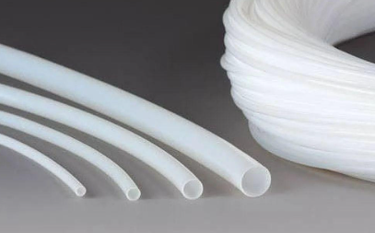
36 | PTFE SLEEVE | PTFE Sleeve (Teflon Sleeve) is a hollow cylindrical component made from PTFE (Polytetrafluoroethylene). It is used for insulation, protection, low-friction movement, sealing, and chemical isolation, Type - PTFE Insulating Sleeve, PTFE Bearing Sleeve, PTFE Bush Sleeve PTFE Protective Sleeve, PTFE Heat-Shrink/Thin-Wall Sleeve, Virgin PTFE Sleeve, Glass-Filled PTFE Sleeve, Carbon-Filled PTFE Sleeve Conductive PTFE Sleeve, Thk : 01- 50 MM , Inside Diameter-1–200 mm+, Outside Diameter- 2–250 mm+, Wall Thickness- 0.5–25 mm+, Length- 10–1000 mm+ /, Color- Natural white, black, Temperature- Approx. −200 to +260°C*, Applications - Shaft protection, Electrical insulation, Bearings and bushings, Valve and pump components, Hydraulic/pneumatic equipment, Instrumentation Chemical-processing equipment, Wire and cable insulation, Sliding and wear applications, | 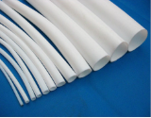
37 | PTFE SHEET | PTFE Sheet (Teflon Sheet) is a sheet made from Polytetrafluoroethylene (PTFE). It is widely used for chemical resistance, low friction, high-temperature service, sealing, and electrical insulation, Type - Virgin PTFE Sheet, Expanded PTFE Sheet (ePTFE), Glass-Filled PTFE Sheet, Carbon-Filled PTFE Sheet, Graphite-Filled PTFE Sheet, Bronze-Filled PTFE Sheet, Food/Pharma Grade PTFE Sheet, Conductive/Anti-Static PTFE Sheet, Thickness- 0.5–100 mm+, Sheet Size- 1 × 1 m, 1 × 2 m, 4 × 8 ft / custom, Color- Natural white, black, brown, custom, Surface- Smooth, Temperature- Approx. −200 to +260°C*, Density- ~2.1–2.3 g/cm³ for typical PTFE, Applications - Gaskets and seals, Chemical tank and equipment lining, Valve and pump components, Sliding plates and wear pads, Electrical insulation, Instrumentation components, Hydraulic and pneumatic seals, Food and pharmaceutical equipment, Corrosive chemical applications, High-temperature sealing | 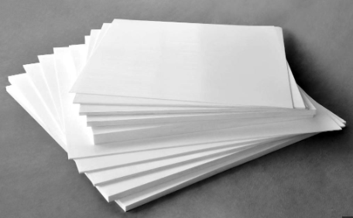
38 | PTFE ROD | PTFE Rod is a solid engineering-plastic rod made from Polytetrafluoroethylene (PTFE). It has excellent chemical resistance, low friction, non-stick properties, electrical insulation, and high-temperature resistance, Type - Virgin PTFE Rod, Carbon-Filled PTFE Rod , Graphite-Filled PTFE Rod, Conductive PTFE Rod, Diameter- 5–300 mm+, Length-1–3 m / custom, Color-Natural white, black, brown, Surface-Smooth, Density-~2.1–2.3 g/cm³, Service - temperature -Approx. −200 to +260°C*, Applications - Bushes and bearings, Valve seats, Seals and gaskets, Rollers and guide components, Pump components, Electrical insulators, Chemical equipment, Hydraulic/pneumatic components, Precision-machined parts, | 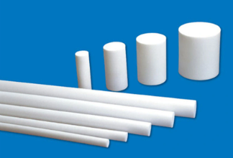
39 | PTFE SKYVING SHEET | PTFE Skived Sheet is a PTFE sheet produced by skiving (peeling) a large PTFE billet into a continuous sheet or film. It provides a smooth, uniform surface and is commonly used for gaskets, seals, electrical insulation, and lining applications, Type - Virgin PTFE Skived Sheet, Filled PTFE Skived Sheet, Glass-Filled PTFE, Carbon-Filled PTFE, Graphite-Filled PTFE, Expanded/Modified PTFE, Electrical Grade PTFE Film, Thickness-0.05–6 mm, Width-300–2000 mm+, Length- Roll / custom, Color- Natural white, black, brown, Surface- Smooth / low-friction, Temperature- Approx. −200 to +260°C*, Applications - Flange gaskets, Valve and pump seals, Chemical equipment lining, Electrical insulation, Sliding and wear surfaces, Hydraulic/pneumatic sealing, Semiconductor and laboratory equipment, Food and pharmaceutical equipment, | 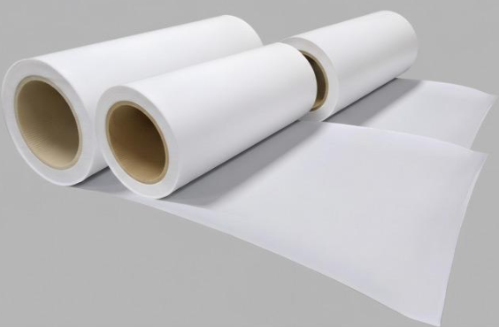
40 | PTFE MOLDED SHEET | PTFE Molded Sheet is a solid PTFE plate manufactured by compression molding PTFE powder and then sintering it. It is generally thicker and more rigid than skived PTFE sheet and is suitable for machining into industrial components, Types Virgin PTFE Molded Sheet, Glass-Filled PTFE, Carbon-Filled PTFE, Graphite-Filled PTFE, Bronze-Filled PTFE, Modified PTFE, Conductive PTFE, Food/Pharma Grade PTFE, Thickness-2–100 mm+, Width-300–2000 mm / custom, Length 300–3000 mm / custom, Color-Natural white, black, brown, Surface Smooth, Density-~2.1–2.3 g/cm³, Service temperature- Approx. −200 to +260°C*, Applications - Gaskets and seals, Valve seats, Pump components, Bushes and bearings, Wear plates, Chemical equipment lining, Electrical insulation, Machined PTFE components, Hydraulic and pneumatic parts, Chemical-processing equipment, Molded vs Skived PTFE Sheet, | 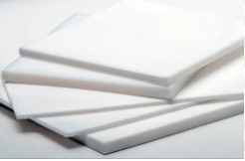
 | Fiberglass Insulation | Fiberglass Insulation is an insulating material made from fine glass fibers. It is primarily used for thermal insulation, electrical insulation, and sound absorption, Type - Fiberglass Insulation Sheet, Fiberglass Insulation Roll, Fiberglass Insulation Blanket, Fiberglass Insulation Board, Fiberglass Cloth, Fiberglass Sleeving, Fiberglass Rope, Fiberglass Pipe Insulation, Fiberglass-Reinforced Insulation, Thickness- 1–100 mm+, Width- 500–1500 mm / custom, Length Roll / sheet / custom, Density-~16–200 kg/m³, Temperature rating -Grade-dependent, commonly 200–550°C+, Color-White, yellow, brown, grey, Form- Sheet, roll, blanket, board, Applications - Electrical insulation, Motors and generators, Transformers, Control panels, Boilers and furnaces, Pipes and ducts, HVAC systems, Industrial equipment, Heat shields, Sound insulation, | 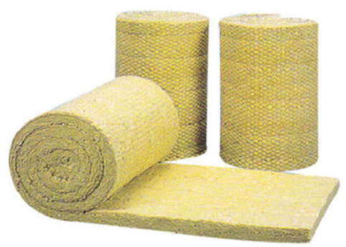
 | Roof Thermal Insulation Material | Roof Thermal Insulation Material is used to reduce heat transfer through roofs, keeping buildings cooler in summer and improving energy efficiency. The suitable material depends on the roof type, temperature, moisture exposure, and required insulation thickness, Type - PUF / PIR- Panel / board, EPS- Board / sheet, XPS- Board, Fiberglass-Roll / blanket, Rockwool-Board / blanket, Glasswool-Roll / blanket, Reflective Foil Sheet / roll, Thickness: 10–150 mm+, Thermal conductivity: approximately 0.020–0.045 W/m·K depending on material, Form: Sheet, board, roll, blanket, panel, Facing: Aluminium foil, kraft paper, fiberglass tissue, Installation: Above roof, below roof, or sandwich/insulated roof panel, Applications - Industrial factory roofs, Warehouse roofs, Commercial buildings, Residential roofs, Cold-storage buildings, HVAC areas, Portable buildings, Metal-sheet roofing, | 